設備示意圖
設備示意圖

內容：
1).設備正視圖、俯視圖、側視圖的相關尺寸
(長、寬、高)
2).安全門的監控設計與位置說明
3).緊急裝置位置
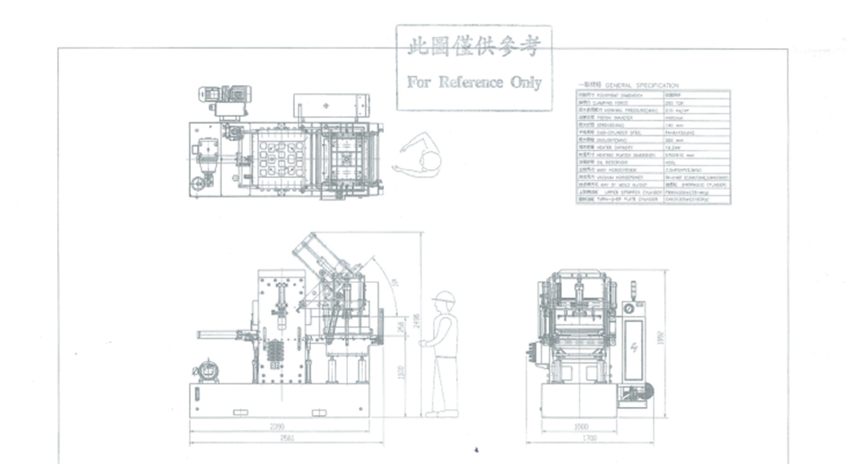

電源
 | 三相 (***V / **A / **Hz)
 | 單相 (***V / **A / **Hz)
電源線建議使用規格

空壓源
 | kg/c㎡

安全規格
安全規格

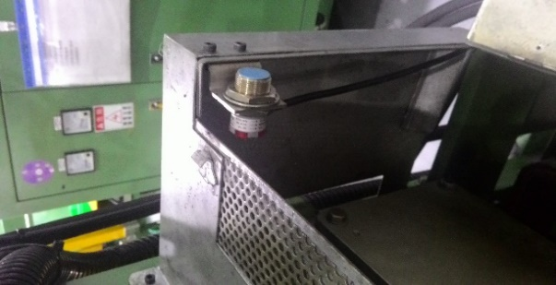
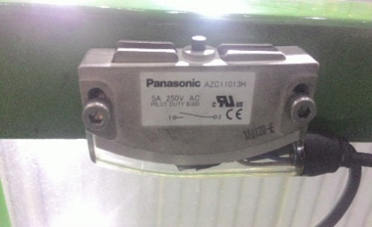
1. 安全光閘(電眼)規格
內容 | 感應式 | 接觸式 | 插入式
圖示

需求數 | 門上、下 各 1個 | 門上、下 各 1個 | 1個

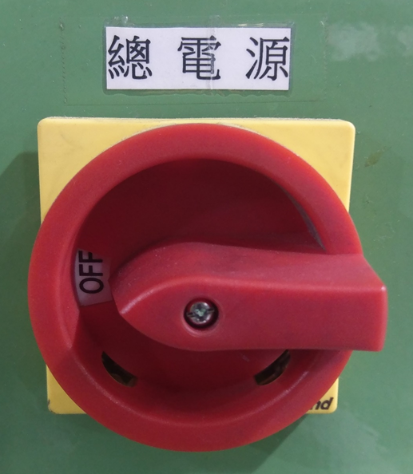
2. 電源總開關型式與位置圖
 | 旋鈕式 | 旋鈕式 | 位置
 |  |  | 電器箱外側 (不需開門即可操作)

3. 設備電路圖範例

用電規格
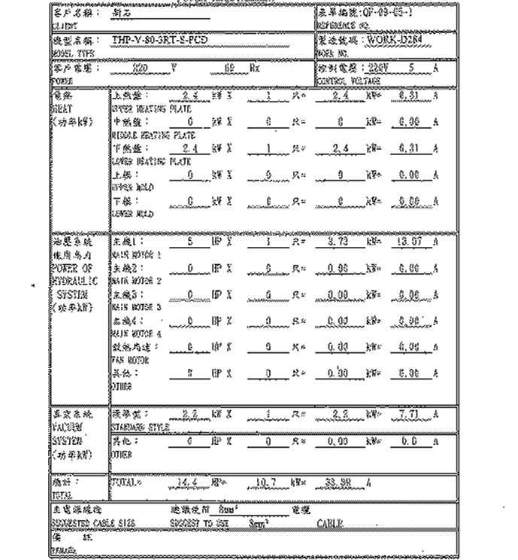
用電規格表範例

